Baby Cam
 | Tapo |  |  | Imou
Model | Tapo TC70 | 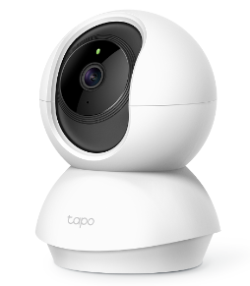 Tapo C200 | Tapo C210 | Ranger 2 | Ranger 2C | 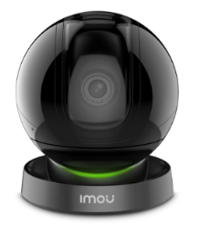 Rex
FOB $ Prices | 19.6 | 21 |  | 18(2mp) / 21.5 (4mp) | 18(2mp) / 22 (4mp) | 29(2mp) / 32(4mp)
Image Sensor | 1/2.9“ | 1/2.9“ | 1/2.8“ | 1/2.7” | 1/2.8” | 1/2.7”
Resolution | 2 MP | 2 MP | 3 MP | 2MP / 4MP | 2MP / 4MP | 2MP / 4MP
Frame rate | 15 fps | 15 fps | 15 fps | 25/30 fps | 25/30 fps | 25/30 fps
Lens | fixed 4mm | fixed 4mm | fixed 3.83mm | fixed 3.6mm | fixed 3.6mm | fixed 3.6mm
Night Vision | IR- 9 meter | IR- 9 meter | IR - 9 meter | IR - 10 meter | IR - 10 meter | IR - 10 meter
LAN | N/A | N/A | N/A | Yes | N/A | Yes
Onvif sup | Yes | Yes | Yes | Yes | Yes | Yes
Wireless | 2.4Ghz | 2.4Ghz | 2.4Ghz | 2.4Ghz | 2.4Ghz | 2.4Ghz
Video Compression | H264 | H264 | H264 | H.265 and H.264 | H.265 and H.264 | H.265 and H.264
Protect | N/A | N/A | N/A | N/A | N/A | N/A
Operating Temperature | 0°C~40°C | 0°C~40°C | 0°C~40°C | -10°C~+45°C | -10°C~+45°C | -10°C~+45°C
Micro SD Card | UP to 128G | UP to 128G | UP to 256G | UP to 256G | UP to 256G | UP to 256G
Reset button | Yes | Yes | Yes | Yes | Yes | Yes
Features
Motion Detection | Yes | Yes | Yes | Yes | Yes | Yes
Push notification | Yes | Yes | Yes | Yes | Yes | Yes
2-way audio | Yes | Yes | Yes | Yes | Yes | Yes
Human Detection | Yes (Account purchase required) | Yes (Account purchase required) | Yes (Account purchase required) | Yes | Yes | Yes
Abnormal Sound Alarm | N/A | N/A | N/A | Yes | Yes | Yes
Smart Tracking | Yes | Yes | Yes | Yes | Yes | Yes
Cry Detection | Yes (Account purchase required) | Yes (Account purchase required) | Yes (Account purchase required) | Yes | Yes | Yes
Cloud Storage | Yes (Account purchase required) | Yes (Account purchase required) | Yes (Account purchase required) | Yes (Account purchase required) | Yes (Account purchase required) | Yes (Account purchase required)

Cube Cam
 | Tapo |  |  | Imou
Model | C110 | C100 | TC60 | Cue 2 | Cue 2C | Cube | Cube POE | 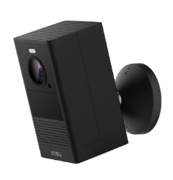 Cell 2 | Cell Go
FOB $ Price |  | 17 | 17 | 14.8 |  |  |  | 63
Image Sensor | 1/2.8’’ | 1/3.2’’ | 1/3.2’’ | 1/2.7’’ | 1/2.8’’ | 1/2.7“ - 1/3” | 1/2.7“ - 1/3” | 1/2.9’’ | 1/2.9’’
Resolution | 3 MP | 2 MP | 2 MP | 2 MP | 2 MP | 2 MP / 4 MP | 2 MP / 4 MP | 4 MP | 3 MP
Frame rate | 15 fps | 15 fps | 15 fps | 25/30 fps | 25/30 fps | 25/30 fps | 25/30 fps | 15 fps | 15 fps
Lens | fixed 3.3mm | fixed 3.3mm | fixed 3.3mm | fixed 2.8mm | fixed 3.6mm | fixed 2.8mm | fixed 2.8mm | fixed 2.8mm | fixed 2.8mm
Night Vision | IR- 9 meter | IR- 9 meter | IR- 9 meter | IR- 10 meter | IR- 10 meter | IR- 10 meter | IR- 10 meter | IR- 10 meter LED | IR- 7 meter
LAN | N/A | N/A | N/A | N/A | N/A | Yes | Yes POE | N/A | N/A
Onvif sup | Yes | Yes | Yes | Yes | Yes | Yes | Yes | N/A | N/A
Wireless | 2.4Ghz | 2.4Ghz | 2.4Ghz | 2.4Ghz | 2.4Ghz | 2.4Ghz | 2.4Ghz | 2.4Ghz and 5Ghz | 2.4Ghz
Video Compression | H264 | H264 | H264 | H264 and H265 | H264 and H265 | H264 and H265 | H264 and H265 | H264 and H265 | H265
Protect | N/A | N/A | N/A | N/A | N/A | N/A | N/A | IP65 | IP65
Operating Temperature | 0 ºC ~ 40 ºC | 0 ºC ~ 40 ºC | 0 ºC ~ 40 ºC | -10 ºC ~ 45 ºC | -10 ºC ~ 45 ºC | -10 ºC ~ 45 ºC | -10 ºC ~ 45 ºC | -20 ºC ~ 50 ºC | -20 ºC ~ 50 ºC
Micro SD Card | UP to 256G | UP to 128G | UP to 128G | UP to 256G | UP to 256G | UP to 256G | UP to 256G | UP to 128G | N/A/4GB Internal
Material | Plastic | Plastic | Plastic | Plastic | Plastic | Plastic | Plastic | Plastic | Plastic
Mic | Yes | Yes | Yes | Yes | Yes | Yes | Yes | Yes | Yes
Speaker | Yes | Yes | Yes | Yes | N/A | Yes | Yes | Yes | Yes
Alarm in/out | N/A | N/A | N/A | N/A | N/A | 1/1 | 1/1 | N/A | N/A
Reset button | Yes | Yes | Yes | Yes | Yes | Yes | Yes | Yes | Yes
Battery | N/A | N/A | N/A | N/A | N/A | N/A | N/A | N/A | Yes(5000mAh)
Features
Motion Detection | Yes | Yes | Yes | Yes | Yes | Yes | Yes | N/A | Yes
Line-Crossing Detection | N/A | N/A | N/A | N/A | N/A | N/A | N/A | N/A | N/A
Area Intrusion Detection | N/A | N/A | N/A | Yes | Yes | Yes | Yes | N/A | Yes
Human Detection | N/A | N/A | N/A | Yes | Yes | Yes | Yes | Yes | Yes
Abnormal Sound Detection | N/A | N/A | N/A | Yes | Yes | Yes | Yes | N/A | N/A
PIR Detection | N/A | N/A | N/A | N/A | N/A | Yes | Yes | Yes | N/A
Starlight / Full color | N/A | N/A | N/A | N/A | N/A | N/A | N/A | Yes | N/A

PTZ Cam
 | Tapo | Imou
Model | 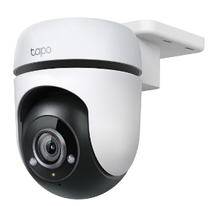 C500 | S21F1 S41F1 | Cruiser SE+
FOB $ Price |  | 27(2mp) / 30 (4mp) | 31(2mp) / 33(4mp)
Image Sensor | 1/3’’ | 1/2.9’’ - 1/3’’ | 1/2.9’’ - 1/3’’
Resolution | 2 MP | 2 MP / 4 MP | 2 MP / 4 MP
Frame rate | 15 fps | 20 fps | 20 fps / 25 fps
Lens | fixed 3.89mm | fixed 3.6mm/ 6mm | fixed 3.6mm/ 6mm
Night Vision | IR- 30 meter | IR- 30 meter | IR- 30 meter
LAN | N/A | Yes POE | Yes
Onvif sup | N/A | Yes | Yes
Wireless | 2.4Ghz | N/A | 2.4Ghz
Video Compression | H264 | H264 | H264
Protect | IP 65 | IP 66 | IP 66
Operating Temperature | -30 ºC ~ 60 ºC | -20 ºC ~ 50 ºC | -20 ºC ~ 50 ºC
Micro SD Card | UP to 512G | UP to 256G | UP to 256G
Material | Plastic | Plastic | Plastic
Mic | Yes | Yes | Yes
Speaker | Yes | N/A | Yes
Reset button | Yes | Yes | Yes
Features
Motion Detection | Yes | Yes | Yes
Line-Crossing Detection | N/A | N/A | N/A
Area Intrusion Detection | N/A | Yes | Yes
Human Detection | Yes | Yes | Yes
Starlight / Full color | N/A | N/A | Yes

